Problema 1
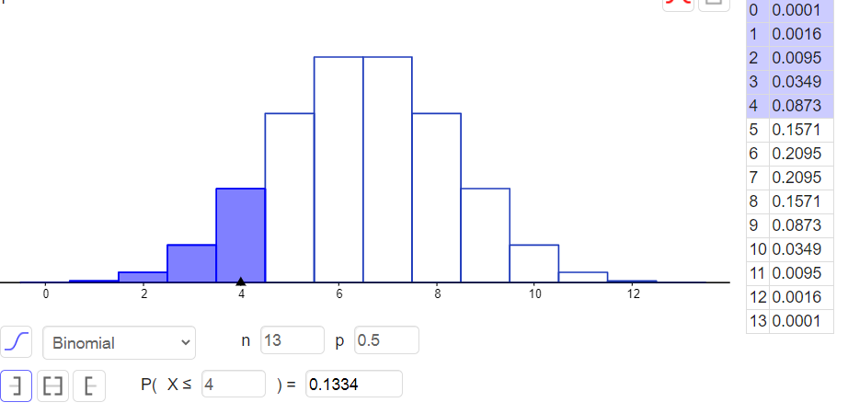
Corredor | Antes | Después | D. |  | "-" | "+"
1 | 158 | 164 | 2 | 2 | 0 | 1
2 | 149 | 158 | -1 | -1 | 1 | 0
3 | 160 | 163 | 5 | 5 | 0 | 1
4 | 155 | 160 | 3 | 3 | 0 | 1
5 | 164 | 172 | 0
6 | 138 | 147 | -1 | -1 | 1 | 0
7 | 163 | 167 | 4 | 4 | 0 | 1
8 | 159 | 169 | -2 | -2 | 1 | 0
9 | 165 | 173 | 0
10 | 145 | 147 | 6 | 6 | 0 | 1
11 | 150 | 156 | 2 | 2 | 0 | 1
12 | 161 | 164 | 5 | 5 | 0 | 1
13 | 132 | 133 | 7 | 7 | 0 | 1
14 | 155 | 161 | 2 | 2 | 0 | 1
15 | 146 | 154 | 0
16 | 159 | 170 | -3 | -3 | 1 | 0

 | n: | 13 | Continuity correction: | 0.5
 | "-": | 4
 | "+": | 9
 | p: | 0.5

 | p-value: | 0.1334
 | two-tail: | 0.2668
 | Reject? | Fail to reject

 | Antes |  | Después

 | Mean | 153.6875 | Mean | 159.875
 | Standard Error | 2.3974270062 | Standard Error | 2.6675128866
 | Median | 156.5 | Median | 162
 | Mode | 155 | Mode | 164
 | Standard Deviation | 9.5897080248 | Standard Deviation | 10.670051546
 | Sample Variance | 91.9625 | Sample Variance | 113.85
 | Kurtosis | 0.21721453591 | Kurtosis | 1.2878596965
 | Skewness | -0.94560937665 | Skewness | -1.1020759296
 | Range | 33 | Range | 40
 | Minimum | 132 | Minimum | 133
 | Maximum | 165 | Maximum | 173
 | Sum | 2459 | Sum | 2558
 | Count | 16 | Count | 16

Problema 2
Jugador de béisbol | Jugador de baloncesto | Stack | Ranks
16.3 | 15.4 | 16.3 | 17 | R_BEIS | 367.5
18.1 | 17.7 | 18.1 | 25.5 | R_BAL | 193.5
15.9 | 18.6 | 15.9 | 14.5
14.1 | 12.7 | 14.1 | 5.5 | n_beis | 21
17.7 | 15 | 17.7 | 23.5 | n_balon | 12
16.3 | 15.9 | 16.3 | 17
13.2 | 16.3 | 13.2 | 2 | mean_W | 357
20 | 18.1 | 20 | 32 | stdev_W | 26.720778432
15 | 16.8 | 15 | 9.5
18.6 | 14.1 | 18.6 | 29 | z | 0.392952624
14.5 | 13.6 | 14.5 | 7 | p-val: | 0.7386011386
19.1 | 25 | 19.1 | 31
13.6 |  | 13.6 | 3.5 | alpha: | 0.05
17.2 |  | 17.2 | 21
18.6 |  | 18.6 | 29 | Reject? | fail to reject
15.4 |  | 15.4 | 11.5
15.6 |  | 15.6 | 13
18.3 |  | 18.3 | 27
17.4 |  | 17.4 | 22
14.8 |  | 14.8 | 8
16.5 |  | 16.5 | 19
 |  | 15.4 | 11.5
 |  | 17.7 | 23.5
 |  | 18.6 | 29
 |  | 12.7 | 1
 |  | 15 | 9.5
 |  | 15.9 | 14.5
 |  | 16.3 | 17
 |  | 18.1 | 25.5
 |  | 16.8 | 20
 |  | 14.1 | 5.5
 |  | 13.6 | 3.5
 |  | 25 | 33

 | Jugador de baloncesto
 | 15.4
 | 17.7
 | 18.6
 | 12.7
 | 15
 | 15.9
 | 16.3
 | 18.1
 | 16.8
 | 14.1
 | 13.6
 | 25

 |  |  |  | Jugador de béisbol |  | Jugador de baloncesto

 |  |  |  | Mean | 16.485714286 | Mean | 16.6
 |  |  |  | Standard Error | 0.41697811489 | Standard Error | 0.92564473845
 |  |  |  | Median | 16.3 | Median | 16.1
 |  |  |  | Mode | 16.3 | Mode | #N/A
 |  |  |  | Standard Deviation | 1.9108337746 | Standard Deviation | 3.2065274335
 |  |  |  | Sample Variance | 3.6512857143 | Sample Variance | 10.281818182
 |  |  |  | Kurtosis | -0.93064722143 | Kurtosis | 3.9583414535
 |  |  |  | Skewness | 0.016639419811 | Skewness | 1.6454499395
 |  |  |  | Range | 6.8 | Range | 12.3
 |  |  |  | Minimum | 13.2 | Minimum | 12.7
 |  |  |  | Maximum | 20 | Maximum | 25
 |  |  |  | Sum | 346.2 | Sum | 199.2
 |  |  |  | Count | 21 | Count | 12

